Spende Front (Modified)
Planned
Maintenance
Planned Maintenance
Executed
Unplanned Extra
Maintenance
Breakdown
Maintenance
Machine Ledger |  |  |  |  |  |  | PM |  |  |  |  | AM |  | QM |  | FI |  | Breakdown Root Causes | 1 - External Factors - Spare Parts | 2 - Insufficient Skills | 3 - Design Weakness | 4 - Lack of Maintenance (PM) | 5 - Lack of maintaining operating Conditions | 6 - Lack of Basic Conditions (AM)
Line 03 | Component |  |  |  |  |  | PM - Standard (TBM,CBM,BDM) | SMP No. | Frequency (3M - 48M) | Standard Duration [min] | Machine STOP / Running | Inspection Standard (C,I, L, T) | Frequency (S, W,2xW,M,3M) | QA Matrix No. | QM Matrix No. | Kaizen Type (Cost, Reliability, Availability) | Kaizen No.
Machine: Labeler (Anker) | Number | Drawing/Picture | Part No. | Storeroom location | Vendor | Classification |  |  |  |  |  |  |  |  |  |  |  |  |  |  |  |  |  |  |  |  |  |  |  |  |  |  |  |  |  |  |  |  |  |  |  |  |  |  |  |  |  |  |  |  |  |  |  |  |  |  |  |  |  |  |  |  |  |  |  |  |  |  |  |  |  |  |  |  |  |  | MTTR(r) (min) | MTBF (h) | MTTR (min) - Prior Year | MTBF (h) - Prior Year
Subgroup: Front of Machine
 |  |  |  |  |  |  |  |  |  |  |  |  |  |  |  |  |  | Year 2014 (Weeks) |  |  |  |  |  |  | 1 | 2 | 3 | 4 | 5 | 6 | 7 | 8 | 9 | 10 | 11 | 12 | 13 | 14 | 15 | 16 | 17 | 18 | 19 | 20 | 21 | 22 | 23 | 24 | 25 | 26 | 27 | 28 | 29 | 30 | 31 | 32 | 33 | 34 | 35 | 36 | 37 | 38 | 39 | 40 | 41 | 42 | 43 | 44 | 45 | 46 | 47 | 48 | 49 | 50 | 51 | 52
1A
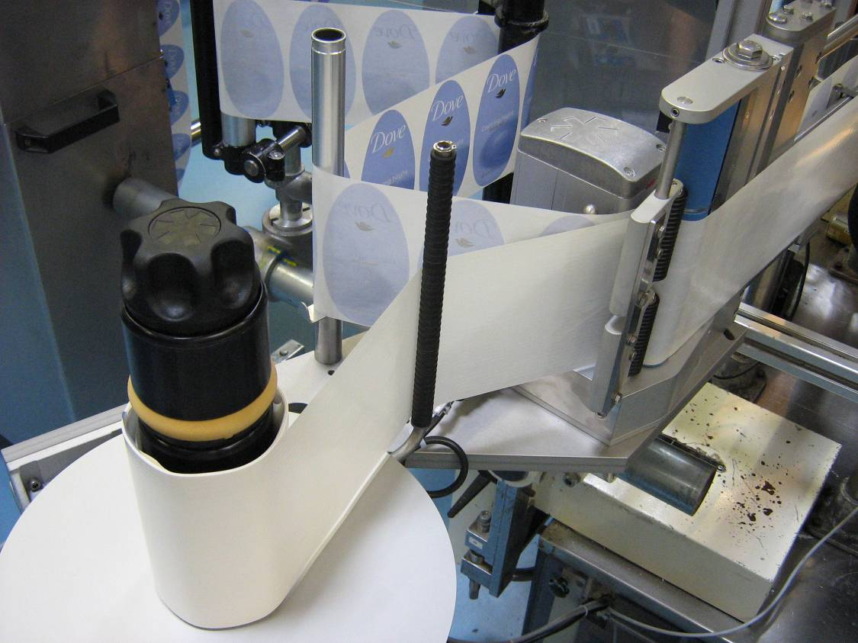 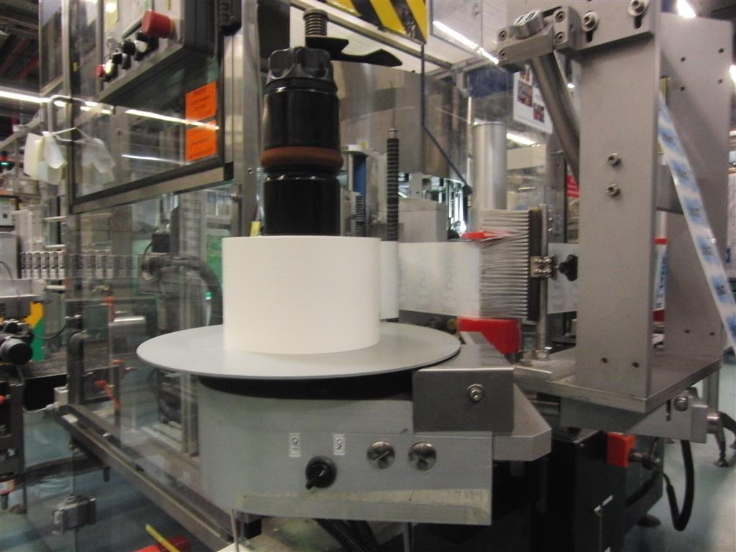 | A03.09.02.1A | 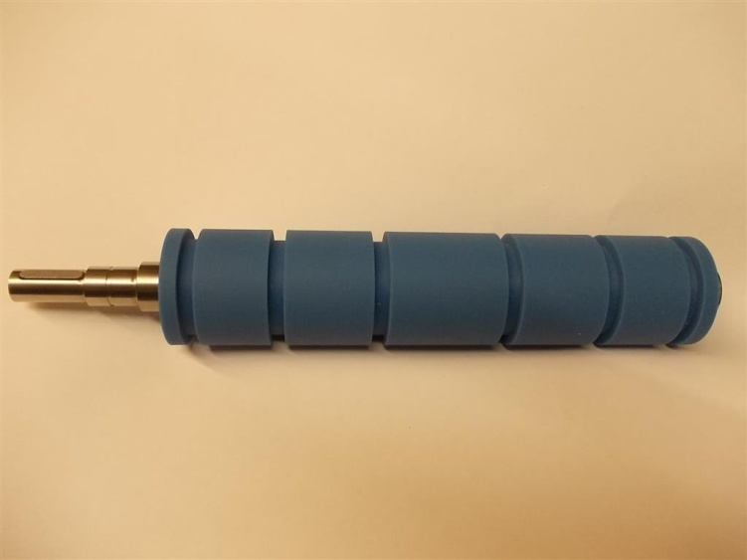 Feed Roller | 1000236069 | 06G192 | Herma | A | TBM | 2 | 3M | 90 | STOP | C,I | 1W | 54 | 78 | Cost | 2014-43 | Planned Maintenance & Breakdown Summary |  |  |  |  |  |  |  |  |  |  |  |  |  |  |  |  |  |  |  |  |  |  |  |  |  |  |  |  |  |  |  |  |  |  |  |  |  |  |  |  |  |  |  |  |  |  |  |  |  |  |  |  |  |  |  |  |  |  | 92 | 2,772 | 105 | 1,500
3A
 |  |  |  |  |  |  |  |  |  |  |  |  |  |  |  |  |  | Downtime [min] |  |  |  |  |  |  |  |  |  |  |  |  |  | 95 |  |  |  |  |  |  |  |  |  |  |  |  |  |  |  |  |  |  |  |  |  | 90 |  |  |  |  |  |  |  |  |  |  |  |  |  |  |  |  |  |  |  |  |  | -
 |  |  |  |  |  |  |  |  |  |  |  |  |  |  |  |  |  | Cumulative No. |  |  |  |  |  |  |  |  |  |  |  |  |  | 1 |  |  |  |  |  |  |  |  |  |  |  |  |  |  |  |  |  |  |  |  |  | 2 |  |  |  |  |  |  |  |  |  |  |  |  |  |  |  |  |  |  |  |  |  | -
3B
5A-C
 |  |  |  |  |  |  |  |  |  |  |  |  |  |  |  |  |  | EWO No. |  |  |  |  |  |  |  |  |  |  |  |  |  | 14 |  |  |  |  |  |  |  |  |  |  |  |  |  |  |  |  |  |  |  |  |  | 25 |  |  |  |  |  |  |  |  |  |  |  |  |  |  |  |  |  |  |  |  |  | -
 |  |  |  |  |  |  |  |  |  |  |  |  |  |  |  |  |  | Breakdown Root Cause (1,2,3, 4, 5,6) |  |  |  |  |  |  |  |  |  |  |  |  |  | 4 |  |  |  |  |  |  |  |  |  |  |  |  |  |  |  |  |  |  |  |  |  | 2 |  |  |  |  |  |  |  |  |  |  |  |  |  |  |  |  |  |  |  |  |  | -
 | A03.09.02.2A | 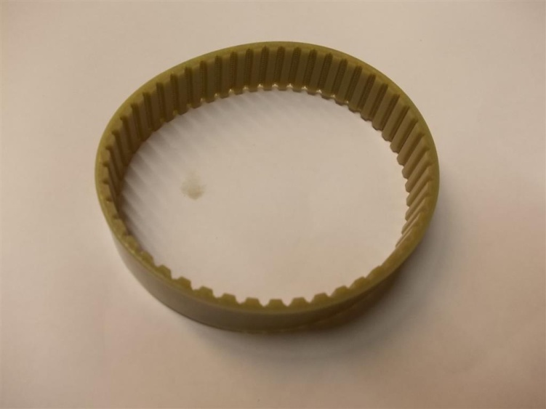 Belt | 1000204005 | 06G211 | Megadyne | A | TBM | 2 | 6M | 30 | STOP | - | - | - | - | - | - | Planned Maintenance & Breakdown Summary |  |  |  |  |  |  |  |  |  |  |  |  |  |  |  |  |  |  |  |  |  |  |  |  |  |  |  |  |  |  |  |  |  |  |  |  |  |  |  |  |  |  |  |  |  |  |  |  |  |  |  |  |  |  |  |  |  |  | 30 | 7,056 | 30 | 6,293
 |  |  |  |  |  |  |  |  |  |  |  |  |  |  |  |  |  | Downtime [min] |  |  |  |  |  |  |  |  |  |  |  |  |  |  |  |  |  |  |  |  |  |  |  |  |  |  |  |  |  |  |  |  |  |  |  |  |  |  |  |  |  |  |  |  |  |  |  |  |  |  |  |  |  |  |  |  |  | -
 |  |  |  |  |  |  |  |  |  |  |  |  |  |  |  |  |  | Cumulative No. |  |  |  |  |  |  |  |  |  |  |  |  |  |  |  |  |  |  |  |  |  |  |  |  |  |  |  |  |  |  |  |  |  |  |  |  |  |  |  |  |  |  |  |  |  |  |  |  |  |  |  |  |  |  |  |  |  | -
2A
 |  |  |  |  |  |  |  |  |  |  |  |  |  |  |  |  |  | EWO No. |  |  |  |  |  |  |  |  |  |  |  |  |  |  |  |  |  |  |  |  |  |  |  |  |  |  |  |  |  |  |  |  |  |  |  |  |  |  |  |  |  |  |  |  |  |  |  |  |  |  |  |  |  |  |  |  |  | -
 |  |  |  |  |  |  |  |  |  |  |  |  |  |  |  |  |  | Breakdown Root Cause (1,2,3, 4, 5,6) |  |  |  |  |  |  |  |  |  |  |  |  |  |  |  |  |  |  |  |  |  |  |  |  |  |  |  |  |  |  |  |  |  |  |  |  |  |  |  |  |  |  |  |  |  |  |  |  |  |  |  |  |  |  |  |  |  | -
 | A03.09.02.3A | 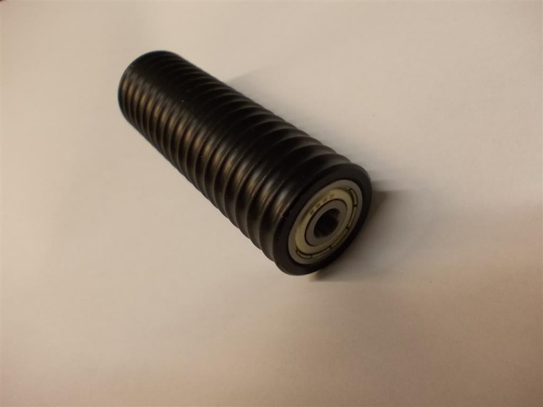 Roller | 1000236071 | 06G351 | Herma | A | TBM | 2 | 12M | 30 | STOP | C,I | 1W | 55 | 79 | - | - | Planned Maintenance & Breakdown Summary |  |  |  |  |  |  |  |  |  |  |  |  |  |  |  |  |  |  |  |  |  |  |  |  |  |  |  |  |  |  |  |  |  |  |  |  |  |  |  |  |  |  |  |  |  |  |  |  |  |  |  |  |  |  |  |  |  |  | 30 | 7,056 | 50 | 6,293
 |  |  |  |  |  |  |  |  |  |  |  |  |  |  |  |  |  | Downtime [min] |  |  |  |  |  |  |  |  |  |  |  |  |  |  |  |  |  |  |  |  |  |  |  |  |  |  |  |  |  |  |  |  |  |  |  |  |  |  |  |  |  |  |  |  |  |  |  |  |  |  |  |  |  |  |  |  |  | -
 |  |  |  |  |  |  |  |  |  |  |  |  |  |  |  |  |  | Cumulative No. |  |  |  |  |  |  |  |  |  |  |  |  |  |  |  |  |  |  |  |  |  |  |  |  |  |  |  |  |  |  |  |  |  |  |  |  |  |  |  |  |  |  |  |  |  |  |  |  |  |  |  |  |  |  |  |  |  | -
 |  |  |  |  |  |  |  |  |  |  |  |  |  |  |  |  |  | EWO No. |  |  |  |  |  |  |  |  |  |  |  |  |  |  |  |  |  |  |  |  |  |  |  |  |  |  |  |  |  |  |  |  |  |  |  |  |  |  |  |  |  |  |  |  |  |  |  |  |  |  |  |  |  |  |  |  |  | -
 |  |  |  |  |  |  |  |  |  |  |  |  |  |  |  |  |  | Breakdown Root Cause (1,2,3, 4, 5,6) |  |  |  |  |  |  |  |  |  |  |  |  |  |  |  |  |  |  |  |  |  |  |  |  |  |  |  |  |  |  |  |  |  |  |  |  |  |  |  |  |  |  |  |  |  |  |  |  |  |  |  |  |  |  |  |  |  | -
 | A03.09.02.4A | 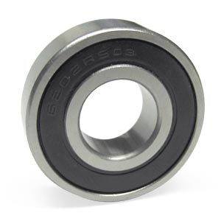 Bearing 60012Z | 4100302008 | S20307 | SKF | A | TBM | 2 | 12M | 20 | STOP | - | - | - | - | Reliability | 2014-89 | Planned Maintenance & Breakdown Summary |  |  |  |  |  |  |  |  |  |  |  |  |  |  |  |  |  |  |  |  |  |  |  |  |  |  |  |  |  |  |  |  |  |  |  |  |  |  |  |  |  |  |  |  |  |  |  |  |  |  |  |  |  |  |  |  |  |  | 20 | 6,048 | 25 | 6,293
 |  |  |  |  |  |  |  |  |  |  |  |  |  |  |  |  |  | Downtime [min] |  |  |  |  |  |  |  |  |  |  |  |  |  |  |  |  |  |  |  |  |  |  |  |  |  |  |  |  |  |  |  |  |  |  |  |  |  |  |  |  |  |  | 35 |  |  |  |  |  |  |  |  |  |  |  |  |  |  | -
 |  |  |  |  |  |  |  |  |  |  |  |  |  |  |  |  |  | Cumulative No. |  |  |  |  |  |  |  |  |  |  |  |  |  |  |  |  |  |  |  |  |  |  |  |  |  |  |  |  |  |  |  |  |  |  |  |  |  |  |  |  |  |  | 1 |  |  |  |  |  |  |  |  |  |  |  |  |  |  | -
 |  |  |  |  |  |  |  |  |  |  |  |  |  |  |  |  |  | EWO No. |  |  |  |  |  |  |  |  |  |  |  |  |  |  |  |  |  |  |  |  |  |  |  |  |  |  |  |  |  |  |  |  |  |  |  |  |  |  |  |  |  |  | 93 |  |  |  |  |  |  |  |  |  |  |  |  |  |  | -
4A
 |  |  |  |  |  |  |  |  |  |  |  |  |  |  |  |  |  | Breakdown Root Cause (1,2,3, 4, 5,6) |  |  |  |  |  |  |  |  |  |  |  |  |  |  |  |  |  |  |  |  |  |  |  |  |  |  |  |  |  |  |  |  |  |  |  |  |  |  |  |  |  |  | 6 |  |  |  |  |  |  |  |  |  |  |  |  |  |  | -
 | A03.09.02.5A | 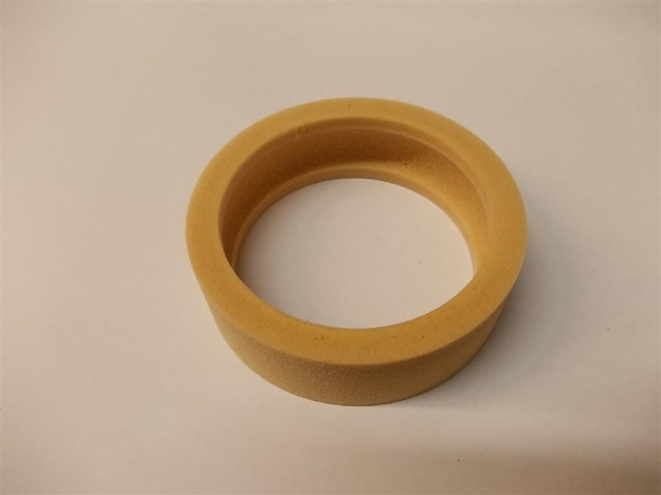 Ring 74x23 | 1000236072 | 06G352 | Herma | C | CBM | 2 | 12M | 15 | STOP | - | - | - | - | - | - | Planned Maintenance & Breakdown Summary |  |  |  |  |  |  |  |  |  |  |  |  |  |  |  |  |  |  |  |  |  |  |  |  |  |  |  |  |  |  |  |  |  |  |  |  |  |  |  |  |  |  |  |  |  |  |  |  |  |  |  |  |  |  |  |  |  |  | - | 7,056 | 15 | 6,293
 |  |  |  |  |  |  |  |  |  |  |  |  |  |  |  |  |  | Downtime [min] |  |  |  |  |  |  |  |  |  |  |  |  |  |  |  |  |  |  |  |  |  |  |  |  |  |  |  |  |  |  |  |  |  |  |  |  |  |  |  |  |  |  |  |  |  |  |  |  |  |  |  |  |  |  |  |  |  | -
 |  |  |  |  |  |  |  |  |  |  |  |  |  |  |  |  |  | Cumulative No. |  |  |  |  |  |  |  |  |  |  |  |  |  |  |  |  |  |  |  |  |  |  |  |  |  |  |  |  |  |  |  |  |  |  |  |  |  |  |  |  |  |  |  |  |  |  |  |  |  |  |  |  |  |  |  |  |  | -
 |  |  |  |  |  |  |  |  |  |  |  |  |  |  |  |  |  | EWO No. |  |  |  |  |  |  |  |  |  |  |  |  |  |  |  |  |  |  |  |  |  |  |  |  |  |  |  |  |  |  |  |  |  |  |  |  |  |  |  |  |  |  |  |  |  |  |  |  |  |  |  |  |  |  |  |  |  | -
 |  |  |  |  |  |  |  |  |  |  |  |  |  |  |  |  |  | Breakdown Root Cause (1,2,3, 4, 5,6) |  |  |  |  |  |  |  |  |  |  |  |  |  |  |  |  |  |  |  |  |  |  |  |  |  |  |  |  |  |  |  |  |  |  |  |  |  |  |  |  |  |  |  |  |  |  |  |  |  |  |  |  |  |  |  |  |  | -
 | A03.09.02.5B | Ring 74x23 | 1000236072 | 06G352 | Herma | C | CBM | 2 | 12M | 15 | STOP | - | - |  |  |  |  | Planned Maintenance & Breakdown Summary |  |  |  |  |  |  |  |  |  |  |  |  |  |  |  |  |  |  |  |  |  |  |  |  |  |  |  |  |  |  |  |  |  |  |  |  |  |  |  |  |  |  |  |  |  |  |  |  |  |  |  |  |  |  |  |  |  |  | NV | #REF! | 300 | 6,293
 |  |  |  |  |  |  |  |  |  |  |  |  |  |  |  |  |  | Downtime [min] |  |  |  |  |  |  |  |  |  |  |  |  |  |  |  |  |  |  |  |  |  |  |  |  |  |  |  |  |  |  |  |  |  |  |  |  |  |  |  |  |  |  |  |  |  |  |  |  |  |  |  |  |  |  |  |  |  | -
 |  |  |  |  |  |  |  |  |  |  |  |  |  |  |  |  |  | Cumulative No. |  |  |  |  |  |  |  |  |  |  |  |  |  |  |  |  |  |  |  |  |  |  |  |  |  |  |  |  |  |  |  |  |  |  |  |  |  |  |  |  |  |  |  |  |  |  |  |  |  |  |  |  |  |  |  |  |  | -
 |  |  |  |  |  |  |  |  |  |  |  |  |  |  |  |  |  | EWO No. |  |  |  |  |  |  |  |  |  |  |  |  |  |  |  |  |  |  |  |  |  |  |  |  |  |  |  |  |  |  |  |  |  |  |  |  |  |  |  |  |  |  |  |  |  |  |  |  |  |  |  |  |  |  |  |  |  | -
 |  |  |  |  |  |  |  |  |  |  |  |  |  |  |  |  |  | Breakdown Root Cause (1,2,3, 4, 5,6) |  |  |  |  |  |  |  |  |  |  |  |  |  |  |  |  |  |  |  |  |  |  |  |  |  |  |  |  |  |  |  |  |  |  |  |  |  |  |  |  |  |  |  |  |  |  |  |  |  |  |  |  |  |  |  |  |  | -
 | A03.09.02.5C | Ring 74x23 | 1000236072 | 06G352 | Herma | C | CBM | 2 | 12M | 15 | STOP | - | - |  |  |  |  | Planned Maintenance & Breakdown Summary |  |  |  |  |  |  |  |  |  |  |  |  |  |  |  |  |  |  |  |  |  |  |  |  |  |  |  |  |  |  |  |  |  |  |  |  |  |  |  |  |  |  |  |  |  |  |  |  |  |  |  |  |  |  |  |  |  |  | NV | #REF! | 300 | 6,293
 |  |  |  |  |  |  |  |  |  |  |  |  |  |  |  |  |  | Downtime [min] |  |  |  |  |  |  |  |  |  |  |  |  |  |  |  |  |  |  |  |  |  |  |  |  |  |  |  |  |  |  |  |  |  |  |  |  |  |  |  |  |  |  |  |  |  |  |  |  |  |  |  |  |  |  |  |  |  | -
 |  |  |  |  |  |  |  |  |  |  |  |  |  |  |  |  |  | Cumulative No. |  |  |  |  |  |  |  |  |  |  |  |  |  |  |  |  |  |  |  |  |  |  |  |  |  |  |  |  |  |  |  |  |  |  |  |  |  |  |  |  |  |  |  |  |  |  |  |  |  |  |  |  |  |  |  |  |  | -
 |  |  |  |  |  |  |  |  |  |  |  |  |  |  |  |  |  | EWO No. |  |  |  |  |  |  |  |  |  |  |  |  |  |  |  |  |  |  |  |  |  |  |  |  |  |  |  |  |  |  |  |  |  |  |  |  |  |  |  |  |  |  |  |  |  |  |  |  |  |  |  |  |  |  |  |  |  | -
 |  |  |  |  |  |  |  |  |  |  |  |  |  |  |  |  |  | Breakdown Root Cause (1,2,3, 4, 5,6) |  |  |  |  |  |  |  |  |  |  |  |  |  |  |  |  |  |  |  |  |  |  |  |  |  |  |  |  |  |  |  |  |  |  |  |  |  |  |  |  |  |  |  |  |  |  |  |  |  |  |  |  |  |  |  |  |  | -
 | A03.09.02.5D | Ring 74x23 | 1000236072 | 06G352 | Herma | C | CBM | 2 | 12M | 20 | STOP | - | - |  |  |  |  | Planned Maintenance & Breakdown Summary |  |  |  |  |  |  |  |  |  |  |  |  |  |  |  |  |  |  |  |  |  |  |  |  |  |  |  |  |  |  |  |  |  |  |  |  |  |  |  |  |  |  |  |  |  |  |  |  |  |  |  |  |  |  |  |  |  |  | NV | #REF! | 300 | 6,293
 |  |  |  |  |  |  |  |  |  |  |  |  |  |  |  |  |  | Downtime [min] |  |  |  |  |  |  |  |  |  |  |  |  |  |  |  |  |  |  |  |  |  |  |  |  |  |  |  |  |  |  |  |  |  |  |  |  |  |  |  |  |  |  |  |  |  |  |  |  |  |  |  |  |  |  |  |  |  | -
 |  |  |  |  |  |  |  |  |  |  |  |  |  |  |  |  |  | Cumulative No. |  |  |  |  |  |  |  |  |  |  |  |  |  |  |  |  |  |  |  |  |  |  |  |  |  |  |  |  |  |  |  |  |  |  |  |  |  |  |  |  |  |  |  |  |  |  |  |  |  |  |  |  |  |  |  |  |  | -
 |  |  |  |  |  |  |  |  |  |  |  |  |  |  |  |  |  | EWO No. |  |  |  |  |  |  |  |  |  |  |  |  |  |  |  |  |  |  |  |  |  |  |  |  |  |  |  |  |  |  |  |  |  |  |  |  |  |  |  |  |  |  |  |  |  |  |  |  |  |  |  |  |  |  |  |  |  | -
 |  |  |  |  |  |  |  |  |  |  |  |  |  |  |  |  |  | Breakdown Root Cause (1,2,3, 4, 5,6) |  |  |  |  |  |  |  |  |  |  |  |  |  |  |  |  |  |  |  |  |  |  |  |  |  |  |  |  |  |  |  |  |  |  |  |  |  |  |  |  |  |  |  |  |  |  |  |  |  |  |  |  |  |  |  |  |  | -
 | A03.09.02.6A | 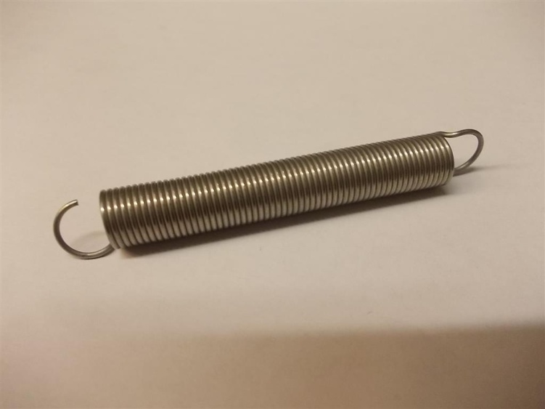 Spring | 1000225568 | 06G222 | Herma | B | CBM | 2 | 12M | 20 | STOP | - | - |  |  |  |  | Planned Maintenance & Breakdown Summary |  |  |  |  |  |  |  |  |  |  |  |  |  |  |  |  |  |  |  |  |  |  |  |  |  |  |  |  |  |  |  |  |  |  |  |  |  |  |  |  |  |  |  |  |  |  |  |  |  |  |  |  |  |  |  |  |  |  | NV | #REF! | 300 | 6,293
 |  |  |  |  |  |  |  |  |  |  |  |  |  |  |  |  |  | Downtime [min] |  |  |  |  |  |  |  |  |  |  |  |  |  |  |  |  |  |  |  |  |  |  |  |  |  |  |  |  |  |  |  |  |  |  |  |  |  |  |  |  |  |  |  |  |  |  |  |  |  |  |  |  |  |  |  |  |  | -
 |  |  |  |  |  |  |  |  |  |  |  |  |  |  |  |  |  | Cumulative No. |  |  |  |  |  |  |  |  |  |  |  |  |  |  |  |  |  |  |  |  |  |  |  |  |  |  |  |  |  |  |  |  |  |  |  |  |  |  |  |  |  |  |  |  |  |  |  |  |  |  |  |  |  |  |  |  |  | -
 |  |  |  |  |  |  |  |  |  |  |  |  |  |  |  |  |  | EWO No. |  |  |  |  |  |  |  |  |  |  |  |  |  |  |  |  |  |  |  |  |  |  |  |  |  |  |  |  |  |  |  |  |  |  |  |  |  |  |  |  |  |  |  |  |  |  |  |  |  |  |  |  |  |  |  |  |  | -
 |  |  |  |  |  |  |  |  |  |  |  |  |  |  |  |  |  | Breakdown Root Cause (1,2,3, 4, 5,6) |  |  |  |  |  |  |  |  |  |  |  |  |  |  |  |  |  |  |  |  |  |  |  |  |  |  |  |  |  |  |  |  |  |  |  |  |  |  |  |  |  |  |  |  |  |  |  |  |  |  |  |  |  |  |  |  |  | -
 | A03.09.02.7A | 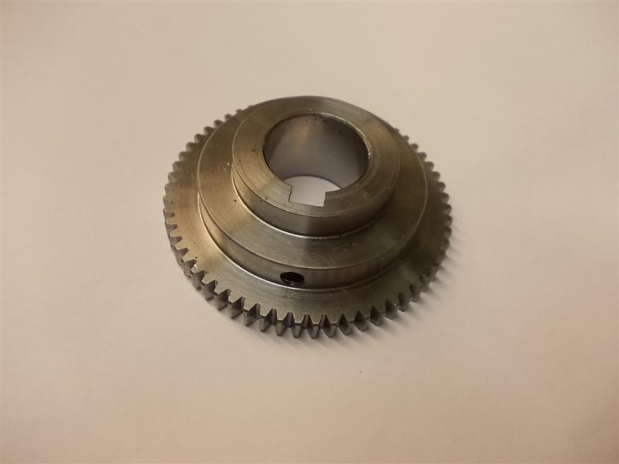 Gear Z=59 | 1000227263 | 05G221 | Herma | B | CBM | 2 | 12M | 20 | STOP | - | - |  |  |  |  | Planned Maintenance & Breakdown Summary |  |  |  |  |  |  |  |  |  |  |  |  |  |  |  |  |  |  |  |  |  |  |  |  |  |  |  |  |  |  |  |  |  |  |  |  |  |  |  |  |  |  |  |  |  |  |  |  |  |  |  |  |  |  |  |  |  |  | NV | #REF! | 300 | 6,293
8A
7A
 |  |  |  |  |  |  |  |  |  |  |  |  |  |  |  |  |  | Downtime [min]
 |  |  |  |  |  |  |  |  |  |  |  |  |  |  |  |  |  | Cumulative No.
 |  |  |  |  |  |  |  |  |  |  |  |  |  |  |  |  |  | EWO No.
6A
 |  |  |  |  |  |  |  |  |  |  |  |  |  |  |  |  |  | Breakdown Root Cause (1,2,3, 4, 5,6)
 | A03.09.02.8A | 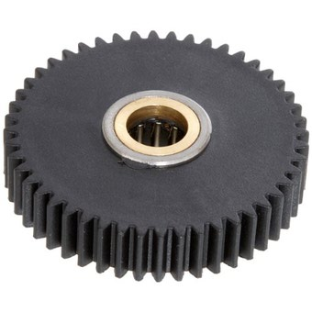 Gear | 625321 | auf Bestellung | Herma | B | CBM | 2 | 12M | 30 | STOP | - | - |  |  |  |  | Planned Maintenance & Breakdown Summary |  |  |  |  |  |  |  |  |  |  |  |  |  |  |  |  |  |  |  |  |  |  |  |  |  |  |  |  |  |  |  |  |  |  |  |  |  |  |  |  |  |  |  |  |  |  |  |  |  |  |  |  |  |  |  |  |  |  | NV | #REF! | 300 | 6,293
 |  |  |  |  |  |  |  |  |  |  |  |  |  |  |  |  |  | Downtime [min]
 |  |  |  |  |  |  |  |  |  |  |  |  |  |  |  |  |  | Cumulative No.
 |  |  |  |  |  |  |  |  |  |  |  |  |  |  |  |  |  | EWO No.
 |  |  |  |  |  |  |  |  |  |  |  |  |  |  |  |  |  | Breakdown Root Cause (1,2,3, 4, 5,6)
9A
 | A03.09.03.9A | 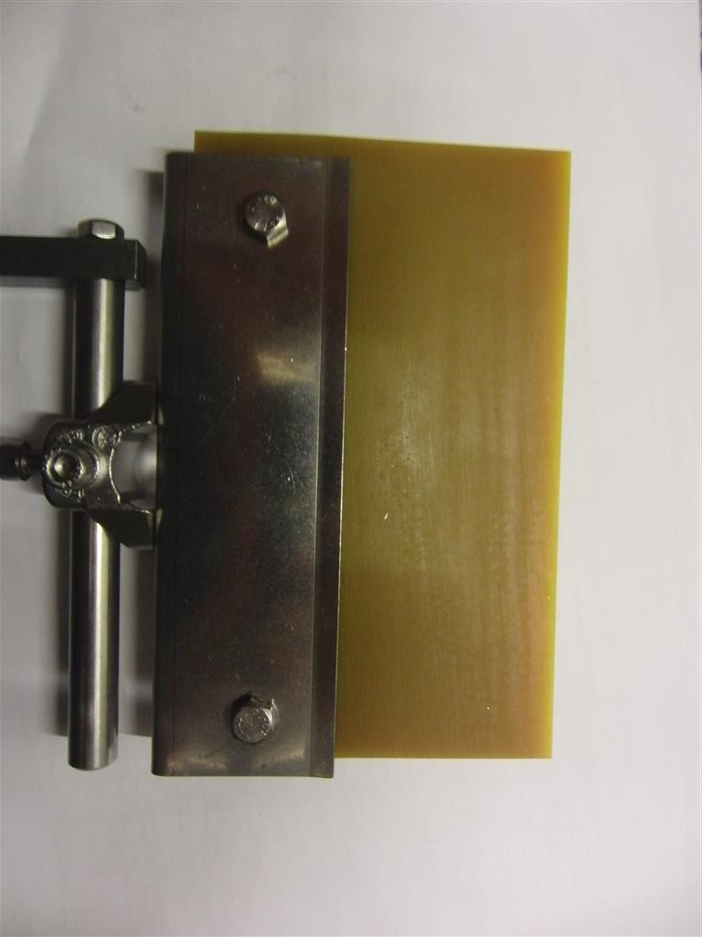 Rubber | 5000097011 | 07C31 | Krones | B | CBM | - | - | 60 | STOP | C,I | 1W |  |  |  |  | Planned Maintenance & Breakdown Summary |  |  |  |  |  |  |  |  |  |  |  |  |  |  |  |  |  |  |  |  |  |  |  |  |  |  |  |  |  |  |  |  |  |  |  |  |  |  |  |  |  |  |  |  |  |  |  |  |  |  |  |  |  |  |  |  |  |  | NV | #REF! | 30 | 1,574
 |  |  |  |  |  |  |  |  |  |  |  |  |  |  |  |  |  | Downtime [min]
 |  |  |  |  |  |  |  |  |  |  |  |  |  |  |  |  |  | Cumulative No.
 |  |  |  |  |  |  |  |  |  |  |  |  |  |  |  |  |  | EWO No.
 |  |  |  |  |  |  |  |  |  |  |  |  |  |  |  |  |  | Breakdown Root Cause (1,2,3, 4, 5,6)
10A
 | A03.09.02.10A | 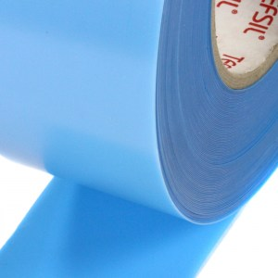 UHMW Film | 50000115108 | 09C10 | UHMW | C | CBM | - | - | 10 | STOP | C,I | 1W |  |  |  |  | Planned Maintenance & Breakdown Summary |  |  |  |  |  |  |  |  |  |  |  |  |  |  |  |  |  |  |  |  |  |  |  |  |  |  |  |  |  |  |  |  |  |  |  |  |  |  |  |  |  |  |  |  |  |  |  |  |  |  |  |  |  |  |  |  |  |  | NV | #REF! | 30 | 6,297
 |  |  |  |  |  |  |  |  |  |  |  |  |  |  |  |  |  | Downtime [min]
 |  |  |  |  |  |  |  |  |  |  |  |  |  |  |  |  |  | Cumulative No.
 |  |  |  |  |  |  |  |  |  |  |  |  |  |  |  |  |  | EWO No.
 |  |  |  |  |  |  |  |  |  |  |  |  |  |  |  |  |  | Breakdown Root Cause (1,2,3, 4, 5,6)
 | A03.09.02.11A | 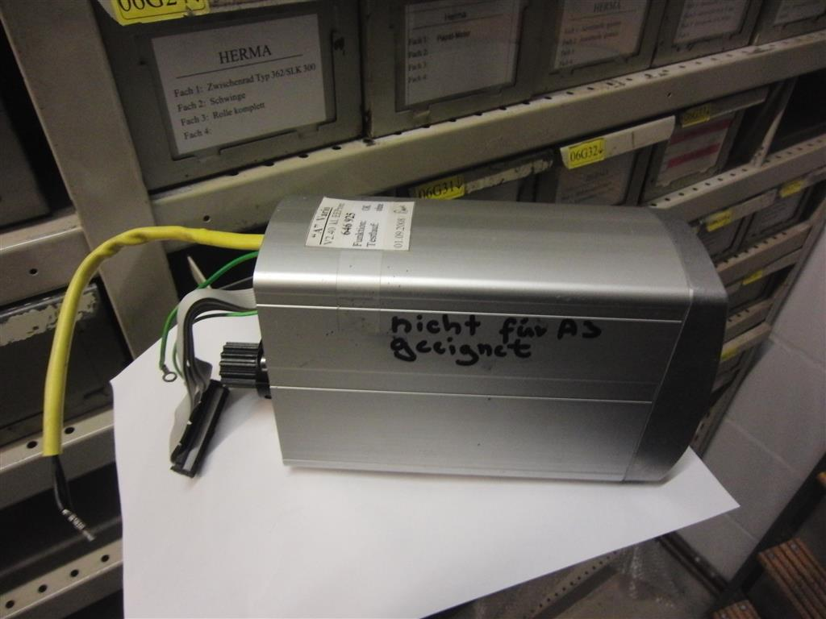 H400 Drive Unit | 647430 | auf Bestellung | Herma | A | BDM | - | - | 50 | STOP | - | - |  |  |  |  | Planned Maintenance & Breakdown Summary |  |  |  |  |  |  |  |  |  |  |  |  |  |  |  |  |  |  |  |  |  |  |  |  |  |  |  |  |  |  |  |  |  |  |  |  |  |  |  |  |  |  |  |  |  |  |  |  |  |  |  |  |  |  |  |  |  |  | NV | #REF! | NV | NV
 |  |  |  |  |  |  |  |  |  |  |  |  |  |  |  |  |  | Downtime [min] |  |  |  |  |  |  |  |  |  |  |  | 60
11A
 |  |  |  |  |  |  |  |  |  |  |  |  |  |  |  |  |  | Cumulative No. |  |  |  |  |  |  |  |  |  |  |  | 1
 |  |  |  |  |  |  |  |  |  |  |  |  |  |  |  |  |  | EWO No. |  |  |  |  |  |  |  |  |  |  |  | 5
 |  |  |  |  |  |  |  |  |  |  |  |  |  |  |  |  |  | Breakdown Root Cause (1,2,3, 4, 5,6) |  |  |  |  |  |  |  |  |  |  |  | 4
 |  |  |  |  |  |  |  |  |  |  |  |  |  |  |  |  |  | Planned Maintenance & Breakdown Summary |  |  |  |  |  |  |  |  |  |  |  |  |  |  |  |  |  |  |  |  |  |  |  |  |  |  |  |  |  |  |  |  |  |  |  |  |  |  |  |  |  |  |  |  |  |  |  |  |  |  |  |  |  |  |  |  |  |  | NV | #REF! | NV | NV
 |  |  |  |  |  |  |  |  |  |  |  |  |  |  |  |  |  | Downtime [min]
 |  |  |  |  |  |  |  |  |  |  |  |  |  |  |  |  |  | Cumulative No.
 |  |  |  |  |  |  |  |  |  |  |  |  |  |  |  |  |  | EWO No.
 |  |  |  |  |  |  |  |  |  |  |  |  |  |  |  |  |  | Breakdown Root Cause (1,2,3, 4, 5,6)
 |  |  |  |  |  |  |  |  |  |  |  |  |  |  |  |  |  | Planned Maintenance & Breakdown Summary |  |  |  |  |  |  |  |  |  |  |  |  |  |  |  |  |  |  |  |  |  |  |  |  |  |  |  |  |  |  |  |  |  |  |  |  |  |  |  |  |  |  |  |  |  |  |  |  |  |  |  |  |  |  |  |  |  |  | NV | #REF! | NV | NV
 |  |  |  |  |  |  |  |  |  |  |  |  |  |  |  |  |  | Downtime [min]
 |  |  |  |  |  |  |  |  |  |  |  |  |  |  |  |  |  | Cumulative No.
 |  |  |  |  |  |  |  |  |  |  |  |  |  |  |  |  |  | EWO No.
 |  |  |  |  |  |  |  |  |  |  |  |  |  |  |  |  |  | Breakdown Root Cause (1,2,3, 4, 5,6)
 |  |  |  |  |  |  |  |  |  |  |  |  |  |  |  |  |  | Planned Maintenance & Breakdown Summary |  |  |  |  |  |  |  |  |  |  |  |  |  |  |  |  |  |  |  |  |  |  |  |  |  |  |  |  |  |  |  |  |  |  |  |  |  |  |  |  |  |  |  |  |  |  |  |  |  |  |  |  |  |  |  |  |  |  | NV | #REF! | NV | NV
 |  |  |  |  |  |  |  |  |  |  |  |  |  |  |  |  |  | Downtime [min]
 |  |  |  |  |  |  |  |  |  |  |  |  |  |  |  |  |  | Cumulative No.
 |  |  |  |  |  |  |  |  |  |  |  |  |  |  |  |  |  | EWO No.
 |  |  |  |  |  |  |  |  |  |  |  |  |  |  |  |  |  | Breakdown Root Cause (1,2,3, 4, 5,6)
 |  |  |  |  |  |  |  |  |  |  |  |  |  |  |  |  |  | Planned Maintenance & Breakdown Summary |  |  |  |  |  |  |  |  |  |  |  |  |  |  |  |  |  |  |  |  |  |  |  |  |  |  |  |  |  |  |  |  |  |  |  |  |  |  |  |  |  |  |  |  |  |  |  |  |  |  |  |  |  |  |  |  |  |  | NV | #REF! | NV | NV
 |  |  |  |  |  |  |  |  |  |  |  |  |  |  |  |  |  | Downtime [min]
 |  |  |  |  |  |  |  |  |  |  |  |  |  |  |  |  |  | Cumulative No.
 |  |  |  |  |  |  |  |  |  |  |  |  |  |  |  |  |  | EWO No.
 |  |  |  |  |  |  |  |  |  |  |  |  |  |  |  |  |  | Breakdown Root Cause (1,2,3, 4, 5,6)
 |  |  |  |  |  |  |  |  |  |  |  |  |  |  |  |  |  | Planned Maintenance & Breakdown Summary |  |  |  |  |  |  |  |  |  |  |  |  |  |  |  |  |  |  |  |  |  |  |  |  |  |  |  |  |  |  |  |  |  |  |  |  |  |  |  |  |  |  |  |  |  |  |  |  |  |  |  |  |  |  |  |  |  |  | NV | #REF! | NV | NV
 |  |  |  |  |  |  |  |  |  |  |  |  |  |  |  |  |  | Downtime [min]
 |  |  |  |  |  |  |  |  |  |  |  |  |  |  |  |  |  | Cumulative No.
 |  |  |  |  |  |  |  |  |  |  |  |  |  |  |  |  |  | EWO No.
 |  |  |  |  |  |  |  |  |  |  |  |  |  |  |  |  |  | Breakdown Root Cause (1,2,3, 4, 5,6)
 |  |  |  |  |  |  |  |  |  |  |  |  |  |  |  |  |  | Planned Maintenance & Breakdown Summary |  |  |  |  |  |  |  |  |  |  |  |  |  |  |  |  |  |  |  |  |  |  |  |  |  |  |  |  |  |  |  |  |  |  |  |  |  |  |  |  |  |  |  |  |  |  |  |  |  |  |  |  |  |  |  |  |  |  | NV | #REF! | NV | NV
 |  |  |  |  |  |  |  |  |  |  |  |  |  |  |  |  |  | Downtime [min]
 |  |  |  |  |  |  |  |  |  |  |  |  |  |  |  |  |  | Cumulative No.
 |  |  |  |  |  |  |  |  |  |  |  |  |  |  |  |  |  | EWO No.
 |  |  |  |  |  |  |  |  |  |  |  |  |  |  |  |  |  | Breakdown Root Cause (1,2,3, 4, 5,6)
 |  |  |  |  |  |  |  |  |  |  |  |  |  |  |  |  |  | Planned Maintenance & Breakdown Summary |  |  |  |  |  |  |  |  |  |  |  |  |  |  |  |  |  |  |  |  |  |  |  |  |  |  |  |  |  |  |  |  |  |  |  |  |  |  |  |  |  |  |  |  |  |  |  |  |  |  |  |  |  |  |  |  |  |  | NV | #REF! | NV | NV
 |  |  |  |  |  |  |  |  |  |  |  |  |  |  |  |  |  | Downtime [min]
 |  |  |  |  |  |  |  |  |  |  |  |  |  |  |  |  |  | Cumulative No.
 |  |  |  |  |  |  |  |  |  |  |  |  |  |  |  |  |  | EWO No.
 |  |  |  |  |  |  |  |  |  |  |  |  |  |  |  |  |  | Breakdown Root Cause (1,2,3, 4, 5,6)
 |  |  |  |  |  |  |  |  |  |  |  |  |  |  |  |  |  | Planned Maintenance & Breakdown Summary |  |  |  |  |  |  |  |  |  |  |  |  |  |  |  |  |  |  |  |  |  |  |  |  |  |  |  |  |  |  |  |  |  |  |  |  |  |  |  |  |  |  |  |  |  |  |  |  |  |  |  |  |  |  |  |  |  |  | NV | #REF! | NV | NV
 |  |  |  |  |  |  |  |  |  |  |  |  |  |  |  |  |  | Downtime [min]
 |  |  |  |  |  |  |  |  |  |  |  |  |  |  |  |  |  | Cumulative No.
 |  |  |  |  |  |  |  |  |  |  |  |  |  |  |  |  |  | EWO No.
 |  |  |  |  |  |  |  |  |  |  |  |  |  |  |  |  |  | Breakdown Root Cause (1,2,3, 4, 5,6)
 |  |  |  |  |  |  |  |  |  |  |  |  |  |  |  |  |  | Planned Maintenance & Breakdown Summary |  |  |  |  |  |  |  |  |  |  |  |  |  |  |  |  |  |  |  |  |  |  |  |  |  |  |  |  |  |  |  |  |  |  |  |  |  |  |  |  |  |  |  |  |  |  |  |  |  |  |  |  |  |  |  |  |  |  | NV | #REF! | NV | NV
 |  |  |  |  |  |  |  |  |  |  |  |  |  |  |  |  |  | Downtime [min]
 |  |  |  |  |  |  |  |  |  |  |  |  |  |  |  |  |  | Cumulative No.
 |  |  |  |  |  |  |  |  |  |  |  |  |  |  |  |  |  | EWO No.
 |  |  |  |  |  |  |  |  |  |  |  |  |  |  |  |  |  | Breakdown Root Cause (1,2,3, 4, 5,6)
 |  |  |  |  |  |  |  |  |  |  |  |  |  |  |  |  |  | Planned Maintenance & Breakdown Summary |  |  |  |  |  |  |  |  |  |  |  |  |  |  |  |  |  |  |  |  |  |  |  |  |  |  |  |  |  |  |  |  |  |  |  |  |  |  |  |  |  |  |  |  |  |  |  |  |  |  |  |  |  |  |  |  |  |  | NV | #REF! | NV | NV
 |  |  |  |  |  |  |  |  |  |  |  |  |  |  |  |  |  | Downtime [min]
 |  |  |  |  |  |  |  |  |  |  |  |  |  |  |  |  |  | Cumulative No.
 |  |  |  |  |  |  |  |  |  |  |  |  |  |  |  |  |  | EWO No.
 |  |  |  |  |  |  |  |  |  |  |  |  |  |  |  |  |  | Breakdown Root Cause (1,2,3, 4, 5,6)
 |  |  |  |  |  |  |  |  |  |  |  |  |  |  |  |  |  | Planned Maintenance & Breakdown Summary |  |  |  |  |  |  |  |  |  |  |  |  |  |  |  |  |  |  |  |  |  |  |  |  |  |  |  |  |  |  |  |  |  |  |  |  |  |  |  |  |  |  |  |  |  |  |  |  |  |  |  |  |  |  |  |  |  |  | NV | #REF! | NV | NV
 |  |  |  |  |  |  |  |  |  |  |  |  |  |  |  |  |  | Downtime [min]
 |  |  |  |  |  |  |  |  |  |  |  |  |  |  |  |  |  | Cumulative No.
 |  |  |  |  |  |  |  |  |  |  |  |  |  |  |  |  |  | EWO No.
 |  |  |  |  |  |  |  |  |  |  |  |  |  |  |  |  |  | Breakdown Root Cause (1,2,3, 4, 5,6)
 |  |  |  |  |  |  |  |  |  |  |  |  |  |  |  |  |  | Planned Maintenance & Breakdown Summary |  |  |  |  |  |  |  |  |  |  |  |  |  |  |  |  |  |  |  |  |  |  |  |  |  |  |  |  |  |  |  |  |  |  |  |  |  |  |  |  |  |  |  |  |  |  |  |  |  |  |  |  |  |  |  |  |  |  | NV | #REF! | NV | NV
 |  |  |  |  |  |  |  |  |  |  |  |  |  |  |  |  |  | Downtime [min]
 |  |  |  |  |  |  |  |  |  |  |  |  |  |  |  |  |  | Cumulative No.
 |  |  |  |  |  |  |  |  |  |  |  |  |  |  |  |  |  | EWO No.
 |  |  |  |  |  |  |  |  |  |  |  |  |  |  |  |  |  | Breakdown Root Cause (1,2,3, 4, 5,6)
 |  |  |  |  |  |  |  |  |  |  |  |  |  |  |  |  |  | Planned Maintenance & Breakdown Summary |  |  |  |  |  |  |  |  |  |  |  |  |  |  |  |  |  |  |  |  |  |  |  |  |  |  |  |  |  |  |  |  |  |  |  |  |  |  |  |  |  |  |  |  |  |  |  |  |  |  |  |  |  |  |  |  |  |  | NV | #REF! | NV | NV
 |  |  |  |  |  |  |  |  |  |  |  |  |  |  |  |  |  | Downtime [min]
 |  |  |  |  |  |  |  |  |  |  |  |  |  |  |  |  |  | Cumulative No.
 |  |  |  |  |  |  |  |  |  |  |  |  |  |  |  |  |  | EWO No.
 |  |  |  |  |  |  |  |  |  |  |  |  |  |  |  |  |  | Breakdown Root Cause (1,2,3, 4, 5,6)
 |  |  |  |  |  |  |  |  |  |  |  |  |  |  |  |  |  | Planned Maintenance & Breakdown Summary |  |  |  |  |  |  |  |  |  |  |  |  |  |  |  |  |  |  |  |  |  |  |  |  |  |  |  |  |  |  |  |  |  |  |  |  |  |  |  |  |  |  |  |  |  |  |  |  |  |  |  |  |  |  |  |  |  |  | NV | #REF! | NV | NV
 |  |  |  |  |  |  |  |  |  |  |  |  |  |  |  |  |  | Downtime [min]
 |  |  |  |  |  |  |  |  |  |  |  |  |  |  |  |  |  | Cumulative No.
 |  |  |  |  |  |  |  |  |  |  |  |  |  |  |  |  |  | EWO No.
 |  |  |  |  |  |  |  |  |  |  |  |  |  |  |  |  |  | Breakdown Root Cause (1,2,3, 4, 5,6)
 |  |  |  |  |  |  |  |  |  |  |  |  |  |  |  |  |  | Planned Maintenance & Breakdown Summary |  |  |  |  |  |  |  |  |  |  |  |  |  |  |  |  |  |  |  |  |  |  |  |  |  |  |  |  |  |  |  |  |  |  |  |  |  |  |  |  |  |  |  |  |  |  |  |  |  |  |  |  |  |  |  |  |  |  | NV | #REF! | NV | NV
 |  |  |  |  |  |  |  |  |  |  |  |  |  |  |  |  |  | Downtime [min]
 |  |  |  |  |  |  |  |  |  |  |  |  |  |  |  |  |  | Cumulative No.
 |  |  |  |  |  |  |  |  |  |  |  |  |  |  |  |  |  | EWO No.
 |  |  |  |  |  |  |  |  |  |  |  |  |  |  |  |  |  | Breakdown Root Cause (1,2,3, 4, 5,6)

